Defect Log
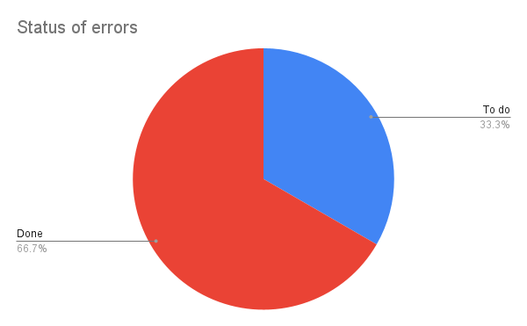
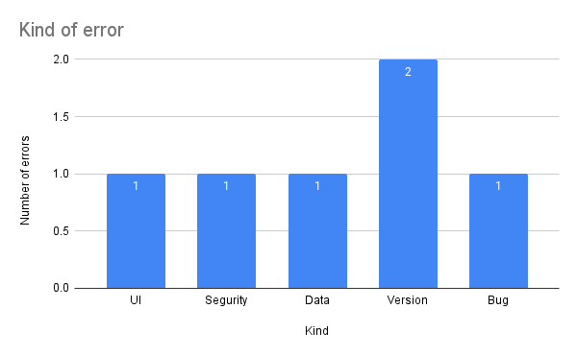
ID | Defect name | Cost in minutes | Severity | Injection fase | Detection fase | Kind | Status |  | Injection | Detection
1 | Delete comments in Spanish | 15 | Cosmetic | Implementation | Implementation | UI | To do | Analisi | 0 | 0
2 | Connection failure with the database | 20 | Urgent | Implementation | Implementation | Segurity | Done | Design | 0 | 0
3 | Database outage |  | Emergency | Implementation | Implementation | Data | Done
4 | Outdated version for creating React application | 5 | Urgent | Implementation | Implementation | Version | Done | Implementation | 6 | 6
5 | Failed connection with Auth0 | 5 | Necessary | Implementation | Implementation | Version | Done | Test | 0 | 0
Injection y Detection
 | Injection | Detection
6 | Failures with React context for product and admin user hooks | 5 | Necessary | Implementation | Implementation | Bug | To do | Production | 0 | 0

